Sources
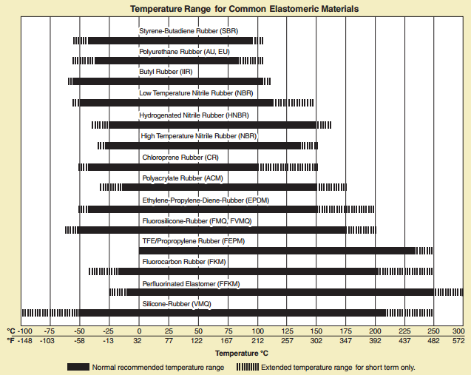

http://www.parker.com/literature/O-Ring%20Division%20Literature/ORD%205700.pdf

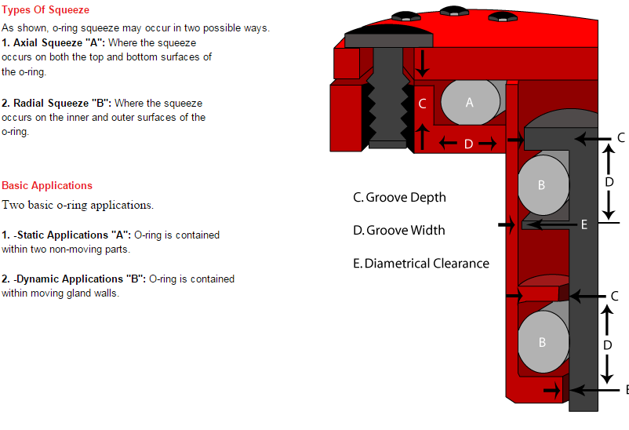

http://www.columbiaerd.com/seal_design.html

